Remarks
Reference Page/Tab: | Objectives: | Remarks:

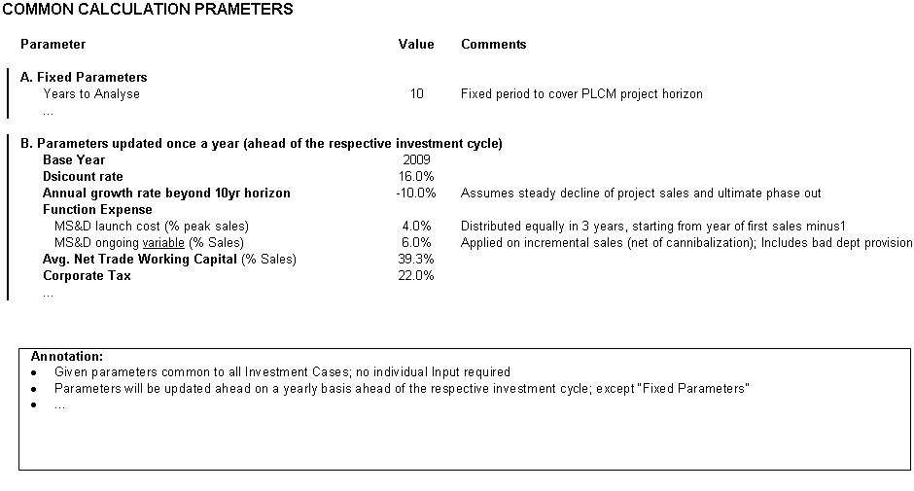
0. COMMON PARAMETERS (sheet is hidden):
 | Provides parameters common to all Business Cases | Common Parameters (fixed for the given investment cycle) will be updated centrally on a yearly basis ahead of the investment cycle. Visible to the user but without any possibility to change entries.

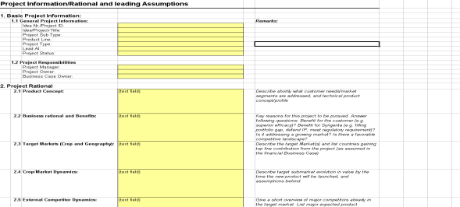
A. Project RATIONAL and ASSUMPTION
 | Business Case Rational and supportive Assumptions | Collects all relevant project information other than the financial case (e.g. General information, Responsibilities and Assumptions).

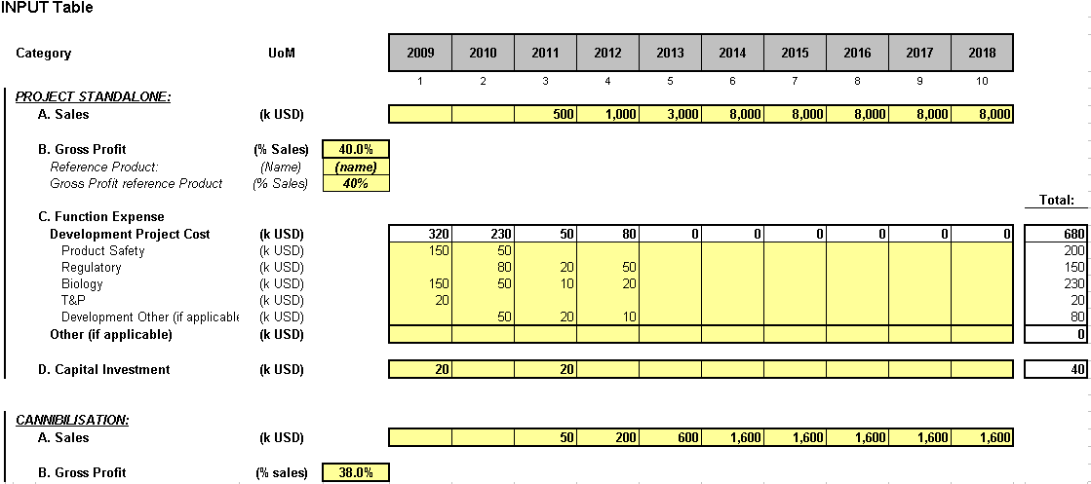
B. INPUT Sheet:
 | Financial Business Case input interface | Main input interface for the financial business case. Reflects on one page all project specific input required. Separates between Project Standalone inputs and inputs required for potential cannibalization.

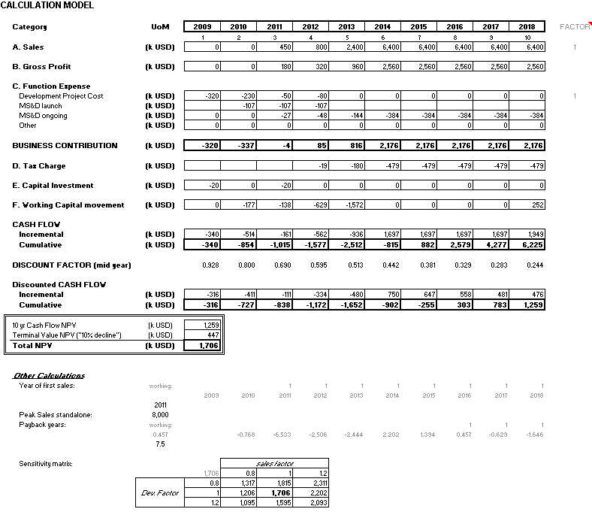
C. CALCULATION MODEL:
 | Calculation model | Reflects calculation methodology; no input required. Uses data from the Common Parameter sheet and the input completed by the user. No input required. Visible to the user but on different screen than the input screen

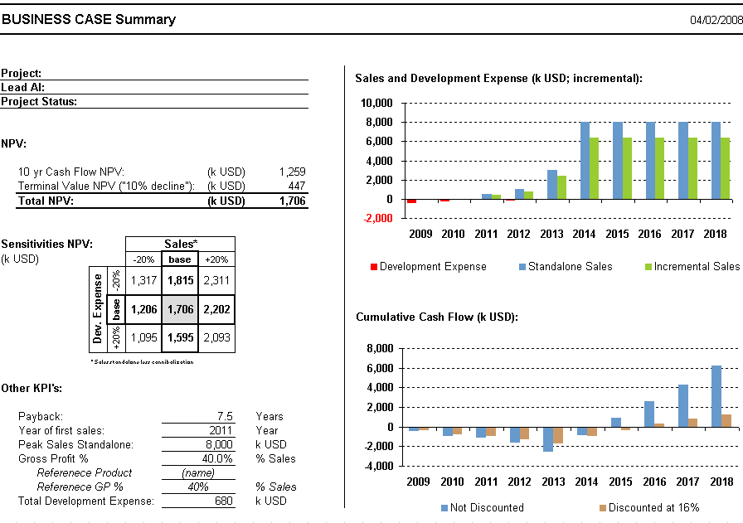
D. SUMMARY:
 | Business Case Summary (Standardized Format) | Business Case summary to reflect main KPI's. Standardized format. No input required (refers back to Input and Calculation model). Visible to the user.

Cover
Financial Business Case
for
Breeding Programs
Copy made available for educational purposes only
© Syngenta 2015
Contact: Peter van der Toorn

Instruction: Enter requested data in yellow cells and in yellow tabs only

Common NPV parameters
COMMON CALCULATION PARAMETERS

Vivienne, you may want to change these numbers to make
them better suitable for the WACCI environment.
I leave that to you.
 | Parameter |  | Value | Comments

 |  | Years to Analyze | 15
 |  | Base Year | any | Current Year
 |  | Discount rate | 16.0% | This % is dependent on academic/business environment
 |  | Annual growth rate beyond 15yr horizon | 0.0% | Assumes steady decline of project sales and ultimate phase out
 |  | Function Expense
 |  | MS&D launch cost (% peak sales) | 10.0% | Distributed equally in 3 years, starting one year ahead of the year with first sales
 |  | MS&D ongoing variable (% Sales) | 6.0%
 |  | Development maintenance (%Sales) | 0.0% | For Breedin,g however, it's assumed to be zero as it's an ongoing investment .
 |  | Depreciation on CAPEX (Years) | n/a
 |  | Avg. Depreciation (% COGS) | 0.0%
 |  | Avg. Net Trade Working Capital
 |  | Avg. Inventory as % COGS | 62.5% | forward looking
 |  | Avg. Accounts receivables as % Sales | 35.0% | current
 |  | Avg. Accounts payable as % Sales | -20.0% | current
 |  | Corporate Tax | 25.0%

 |  | Do not change, except Discount rate, if necessary

Summary
Press F9 to refresh calcualtion
This sheet does not require any manual input

BUSINESS CASE Summary |  |  |  |  |  |  |  |  |  | 2019-07-29

Sales (k USD; discrete):
 | Incremental Sales | Cannibalized Sales
1 | 0 | 9,450
2 | 2,242 | 7,800
3 | 4,234 | 6,437
4 | 6,026 | 5,313
5 | 7,665 | 4,385
6 | 9,185 | 3,619
7 | 10,620 | 2,987
8 | 11,994 | 2,466
9 | 13,330 | 2,035
10 | 14,648 | 1,680
11 | 15,964 | 1,386
12 | 17,293 | 1,144
13 | 18,648 | 944
14 | 20,040 | 779
15 | 21,480 | 643
Project Title: |  |  |  |  | Tomato Open Field West Africa Dry Season
Project ID: |  |  |  |  | #1
Project Type: |  |  |  |  | 0
Satus: |  |  |  |  | Proposed
Manager:
Business Case Owner: |  |  |  |  | Vivienne Anthony

NPV:

 | 10 yr Cash Flow NPV: |  |  |  |  |  |  | (k USD) | 16,224
 | Terminal Value NPV ("10% decline"): |  |  |  |  |  |  | (k USD) | 7,179
 | Total NPV: |  |  |  |  |  |  | (k USD) | 23,403

R&D and CAPEX spend (k USD; discrete):
 | Development | CAPEX
1 | -2,069 | 0
2 | -2,131 | 0
3 | -2,195 | 0
4 | -2,261 | 0
5 | -2,329 | 0
6 | -2,399 | 0
7 | -2,470 | 0
8 | -2,545 | 0
9 | -2,621 | 0
10 | -2,700 | 0
11 | -2,781 | 0
12 | -2,864 | 0
13 | -2,950 | 0
14 | -3,038 | 0
15 | -3,130 | 0
Sensitivities NPV: |  |  |  |  | Sales*
(k USD) |  |  |  |  | -20% | base | +20%
 |  |  | Gross Profit* | -20% | 8,397 | 13,835 | 19,273

 |  |  |  | base | 16,051 | 23,403 | 30,755

 |  |  |  | +20% | 23,706 | 32,972 | 42,237

 |  |  | * relative movement applied on Incremental Case

Project Profitability Index: |  |  |  |  |  | 1.6
Cash Flow (k USD, 10 year cumulative):
 | Undiscounted | Discounted at 16%
1 | -1,789 | -1,661
2 | -2,647 | -2,347
3 | -1,792 | -1,758
4 | 99 | -633
5 | 2,931 | 819
6 | 6,631 | 2,455
7 | 11,144 | 4,175
8 | 16,432 | 5,912
9 | 22,469 | 7,622
10 | 29,242 | 9,275
11 | 36,749 | 10,855
12 | 44,994 | 12,351
13 | 53,990 | 13,758
14 | 63,759 | 15,076
15 | 73,641 | 16,224
Other KPI's:

 | Payback: |  |  |  |  | 4.4 |  |  | Years
 | Year of first sales: |  |  |  |  | 1 |  |  | Year
 | Peak Sales Standalone: |  |  |  |  | 22,123 |  |  | k USD
 | Gross Profit Standalone: |  |  |  |  | 88.0% |  |  | % Sales
 |  | Referenece Product: |  |  |  | (name)
 |  | Referenece GP %: |  |  |  | 80% |  |  | % Sales
 | Total Development Expense: |  |  |  |  | -38,481 |  |  | k USD
 | Project CAPEX: |  |  |  |  | 0 |  |  | k USD

Cannibalization principle
